Dashboard
FINANCE DASHBOARD


 | Total
Freelancig | 158000
Salary | 2636400
 | Total
Emergency Fund | 50000
Fixed Deposit | 47400
Liquid Cash | 1435750
Mutual funds | 252000
 | Total
EMIs | 270800
Groceries & Food | 295000
Health | 77000
House Rent | 508000
Leisure | 53000
Other | 10191
Shopping | 45600
Trevel | 11400

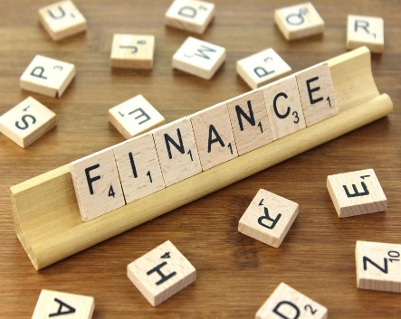

 | Income | Expense | Savings
2021 | 771000 | 303333 | 544400
2022 | 896000 | 364318 | 610900
2023 | 964200 | 514090 | 539700
2024 | 163200 | 89250 | 90150
 | Total
Expense | ₹ 1,270,991.00
Income | ₹ 2,794,400.00
Savings | ₹ 1,785,150.00
Target | ₹ 10.80
1785150
Savings
2794400
Income

64%
Savings Percentage
1270991
Expense

